Hoja1
ID | Requirement
REQ-DOC-001 | The document shall have a cover page with the format as seen in the Fig. 001
 | 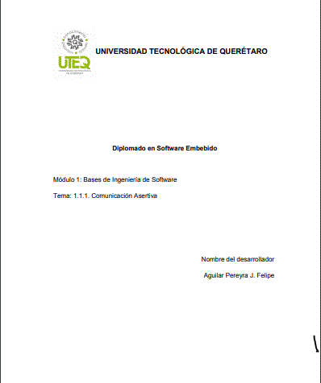
REQ-DOC-002 | The document shall have a log with the name of the revirewers and aprovers.
REQ-DOC-003 | The document shall have a log with the historical data and modifications
REQ-DOC-004 | The document shall have an index that shows the content of the project
REQ-DOC-005 | The document shall have the scope of the project, and the next data within.
REQ-DOC-005.1 | Identification of the project: name, motivation and/or a brief resume as introduction
REQ-DOC-005.2 | General description of the project
REQ-DOC-005.3 | 3.- Final customer deliveries. Coommitments and delivery modules and dates.
REQ-DOC-006 | The document shall have a description development methodologies to use
REQ-DOC-006.1 | AGILE SW development methodology
REQ-DOC-006.2 | Customer Sw deliveries plan
REQ-DOC-006.3 | Control proceduries
REQ-DOC-007 | The document shall have a estimation section with:
REQ-DOC-007.1 | The description of all the resources to use, including: Critics resources (RA, ROM, throughput), Human Resources, infrastructure and tools.
REQ-DOC-007.2 | An analysis of the Project's assumptions, restrictions, riks and problem resolutions
REQ-DOC-008 | The document shall have a planning description were explains:
REQ-DOC-008.1 | Roles and responsabiliteis of every person in the teamwork
REQ-DOC-008.2 | delivery traceability
REQ-DOC-008.3 | Risks administration and how to avoid them
REQ-DOC-008.4 | SW requirement analysis
REQ-DOC-008.5 | SW arquitecture disign
REQ-DOC-008.5.1 | SW block diagram
REQ-DOC-008.5.2 | Control Diagrams with: input, outputs, noise system and data flux
REQ-DOC-008.5.3 | UML diagrams
REQ-DOC-008.5.3.1 | State machines
REQ-DOC-008.5.3.2 | Time diagrams and resources
REQ-DOC-008.5.4 | Call tree analysis
REQ-DOC-009 | The planning of the SW construction
REQ-DOC-009.9.1 | The document shall explain the coding standards and conventions.
REQ-DOC-009.9.1.1 | Files nomenclature
REQ-DOC-009.9.1.2 | Functions nomenclature
REQ-DOC-009.9.1.3 | Classes nomenclture
REQ-DOC-009.9.1.4 | Variables nomenclature
REQ-DOC-009.9.1.4.1 | Local Variables
REQ-DOC-009.9.1.4.2 | Global Variables
REQ-DOC-009.9.1.5 | MACROs definitions
REQ-DOC-009.9.1.6 | Data types
REQ-DOC-009.9.1.6.1 | Standards
REQ-DOC-009.9.1.6.2 | User's defined.
REQ-DOC-009.9.1.7 | Project structure
REQ-DOC-009.9.1.8 | Applicable rules
REQ-DOC-009.9.2 | SW revision methodology
REQ-DOC-010 | SW testing
REQ-DOC-010.1 | Integration testing
REQ-DOC-010.2 | White Box testing
REQ-DOC-010.3 | Black Box testing
REQ-DOC-010.4 | ABA testing
REQ-DOC-011 | SW version release
REQ-DOC-011.1 | GIT
REQ-DOC-012 | Enssurence of security and verification.
REQ-DOC-012.1 | Funcitonal probe and field valdation
REQ-DOC-012.2 | Calendar revision:

